Sheet1
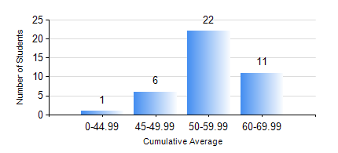
 |  |  | KWAME NKRUMAH UNIVERSITY OF SCIENCE AND TECHNOLOGY, KUMASI Department of Mechanical Engineering

 |  |  | BSC. AUTOMOBILE ENG.

 |  |  | COMPREHENSIVE RECORD OF EXAMINATION RESULTS

 |  |  | RESULTS OF YEAR 3 FIRST SEMESTER, 2020/2021 ACADEMIC YEAR

 | Sn | Course Code |  | Course Name | Credit Hours | Min. Mark | Max. Mark | Avg. Mark | Std. Dev. | No. Passed | No. Trailed | No. (Df) | No. (I) | No. (I*) | No. Tagged(I,I*,Df) | Total
 | 0. |  |  |  |  |  |  | 0 | 0 | 0 | 0 | 0 | 0 | 0 | 0 | 4
 | 1. | AME 365 |  | HEAT TRANSFER AND COMBUSTION | 3 | 35 | 70 | 52 | 7.73 | 35 | 1 | 0 | 0 | 0 | 0 | 36
 | 2. | AME 371 |  | LAND VEHICLE DESIGN | 2 | 19 | 90 | 60 | 18.31 | 34 | 2 | 0 | 0 | 0 | 0 | 36
 | 3. | AME 373 |  | DESIGN OF AUTO MECHANICAL SYSTEMS | 2 | 43 | 67 | 54 | 6.58 | 36 | 0 | 0 | 0 | 0 | 0 | 36
 | 4. | AME 381 |  | AUTOMOTIVE WORKSHOP PRACTICE I | 2 | 56 | 95 | 78 | 8.83 | 36 | 0 | 0 | 0 | 0 | 0 | 36
 | 5. | AME 395 |  | AUTOMOBILE ENGINEERING LABORATORY III | 1 | 41 | 78 | 64 | 8.91 | 36 | 0 | 0 | 0 | 0 | 0 | 36
 | 6. | MATH 351 |  | NUMERICAL ANALYSIS | 2 | 40 | 65 | 49 | 6.81 | 36 | 0 | 0 | 0 | 0 | 0 | 36
 | 7. | MATH 353 |  | PROBABILTY AND STATISTICS | 2 | 51 | 82 | 68 | 7.7 | 36 | 0 | 0 | 0 | 0 | 0 | 36
 | 8. | ME 361 |  | DYNAMICS OF MACHINERY | 3 | 17 | 93 | 48 | 19.08 | 23 | 13 | 0 | 0 | 0 | 0 | 36

